Sheet1
NM Oil price

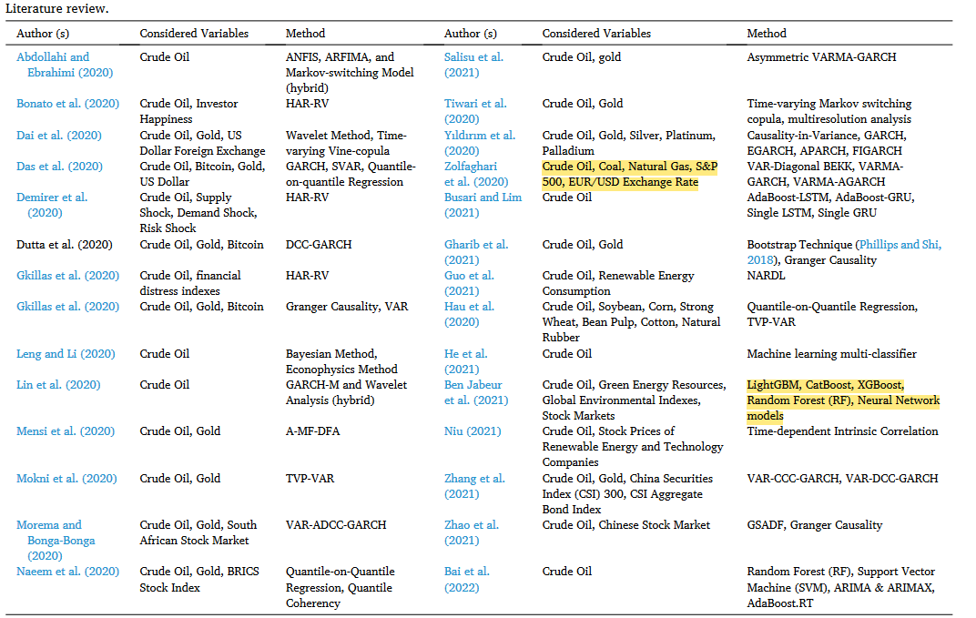
Crude oil | 28
Investor happiness | 1
Gold | 13
USD Foreign exhange | 2
Supply shock | 1
Demand shock | 1
Risk shock | 1
Bitcoin | 2
Financial distress index | 1
South African SE | 1
Bricks stock index | 1
Silver | 1
Platinum | 1
Paladium | 1
Renewable energy | 1
Consumption | 1
Soy bean | 1
Corn | 1
Stron wheat | 1
Bean pulp | 1
Cotton | 1
Natural Rubber | 1
Green energy | 1
Global environmental index | 1
Stock markets | 1
Tech companies | 1
Chinese security index (CSI 300) | 1
CSI Aggregate Bond index | 1
Chinese stock market | 1
S&P 500 indexes | 1
 | 1

